Base
(Line of Business) New Hire Passport


 | Colleague Name: | Base

 | Date of Hire: | 0 |  |  |  |  | Supervisor 1:1 | Date | Time

 | Orientation Date: | 0

 | OnBoarding Start Date: | 0

 | Graduation Date: | 0 |  |  |  |  | IMPACT Sessions | Date | Time

 | Production Start Date: | 0

 | POPS Start Date: | 0

 | Week 4 Tasks | Coach | Date | PeopleSafe | Coach | Date | Order Status | Coach | Date

 | Week 5 Tasks | Coach | Date | PeopleSafe | Coach | Date | Order Status | Coach | Date

 | Week 6 Tasks | Coach | Date | Test Claims | Coach | Date | ASD | Coach | Date

 | CIF/theSource | Coach | Date | Order Experience | Coach | Date | Website and App | Coach | Date

Administration
Virtual Passport Administration

It is suggested that Microsoft Teams is used as the platform for OnBoarding. The POC for a site would create a Team under their own naming convention (“2021 New Hire Training/ OnBoarding/ POPS” used for this example).

The Team should be created from Scratch

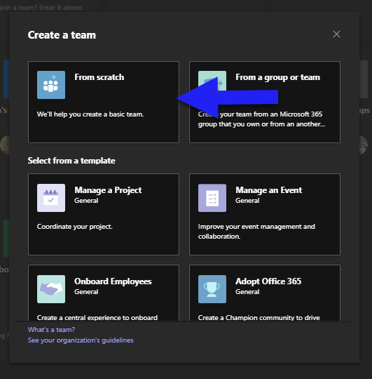

And the Team should be set to “Proprietary” and “Private”

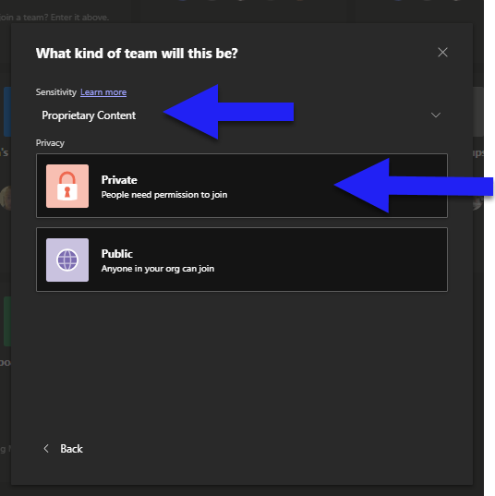

Once the Team is created, it is suggested that a Channel be created for each class.

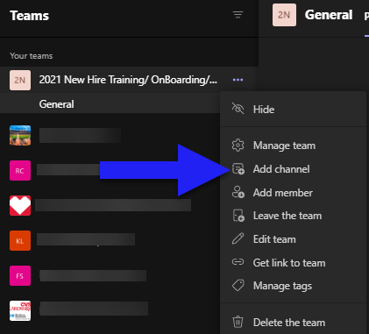

This Channel should be set to “Private” so that membership can be limited beyond the Team itself. This will allow the colleagues in each New Hire class to only have a view of the information for their class while leadership can see each channel.

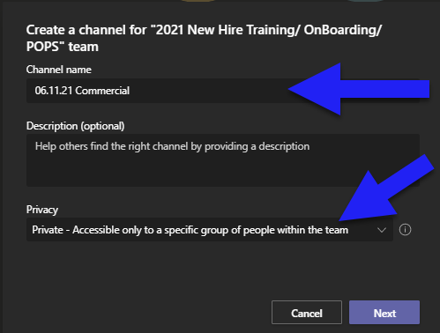

Once Team and Channels are established, Passport for each class (see below) can be added to the “Files” Tab.

To create the Passport Workbook for each class, the attached Workbook will need to be modified. Suggested approach is to have a single Workbook with a Passport Tab devoted to each colleague in the class. POC will first need to “hide” the tabs in the spreadsheet for all lines of business that are not applicable. Hiding them, instead of deleting them, allows these to be utilized if there is any change in assignment or Upskill training during training. This can be accomplished by right-clicking on the tab and selecting “hide:”

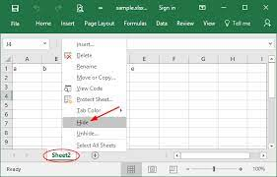

After hiding all tabs for non-essential lines of business, POC will need to replicate the tab for the class line of business, creating tabs for each of the colleagues in the new hire class. This is accomplished by Right-Clicking the tab in question, selecting Move or Copy, selecting the tab to copy and the box indicating “Create a Copy”. After creating the necessary number of tabs, POC will edit each tab to reflect the name of individual associates in the class.

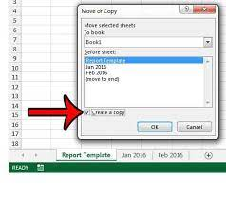

Once this is accomplished, POC will then select the “PAL and Supervisor Names” tab and fill out all of the class date information as well as adding the names of all PALs and Supervisors who will be signing off on Passport Items. This is an important step, as the names and dates added to this tab are essential for fields within other tabs of the workbook. Once this is completed, the workbook will be added to the Files tab in the Channel for the class (if this has not already been done). The Passport Workbook will be ready for use. PALs and supervisors will now be able to “sign off” on Passport items by selecting their name from the drop down (populated by the names entered in the “PAL and Supervisor names” tab) and entering the date.

Aetna
Aetna New Hire Passport

 | Colleague Name: | Aetna

 | Date of Hire: | 0 |  |  |  |  | Supervisor 1:1 | Date | Time

 | Orientation Date: | 0

 | OnBoarding Start Date: | 0

 | Graduation Date: | 0 |  |  |  |  | IMPACT Sessions | Date | Time

 | Production Start Date: | 0

 | POPS Start Date: | 0

 | Week 4 Tasks | Coach | Date | PeopleSafe | Coach | Date | Order Status | Coach | Date
 | Demonstrates Proper CCF & Authentication CMS-PRD1-058702 |  |  | Access Account Using Name and DOB CMS-PRD1-068394 |  |  | Locate Order Status Screen CMS-PRD1-068893
 | Timekeeping Practices Training - Learning Hub |  |  | Review High Priority Comments CMS-PRD1-086295 |  |  | Identify the Fill Date/ Ship Date CMS-PRD1-068893
 | Register for My Password |  |  | Add Address/ Phone # CMS-PRD1-058717 |  |  | Track a Package CMS-PRD1-070334
 | Log into Behavioral Analytics |  |  | Locate/ Optimize CMP CMS-PRD1-071583 |  |  | Identify Reasons for a Divert CMS-PRD1-117777
 | Participate in Behavioral Analytics Session |  |  | Verify Eligibility CMS-PRD1-058723 |  |  | Resolve a Payment Exception CMS-PRD1-117462
 | Review Eligibility Scenarios CMS-PRD1-058723/ CMS-PRD1-069211 |  |  | Find a Nearby Specialty Pharmacy CMS-PRD1-114347 |  |  | Review Order Status Details CMS-PRD1-068893
 | Optimize Communication Preferences CMS-PRD1-071583 |  |  | Locate Capture Activity Tab CMS-PRD1-065341 |  |  | Resolve Future Fill in Error CMS-PRD1-117777
 | Explain NDC Not Covered TSRC-PROD-014193 |  |  | Locate a POS Transaction |  |  | Explain Delayed Prescriber Response CMS-PRD1-068893

 | Week 5 Tasks | Coach | Date | PeopleSafe | Coach | Date | Order Status | Coach | Date
 | Explain Basic Website Navigation CMS-PRD1-114443 |  |  | Understand Retro Billing and Where to Locate CMS-PRD1-064515 |  |  | Locate CMP Calls for an Order CMS-PRD1-071583
 | Disposition HEE Correctly CMS-PRD1-086114 |  |  | Locate MOR Balance/ Take a Payment CMS-PRD1-080896 |  |  | Process a Split Payment CMS-PRD1-070110
 | Participate in Efficient Providers of Service Session |  |  | View PA Status CMS-PRD1-071781 |  |  | Complete Override Process CMS-PRD1-062616
 | Attend IMPACT Coaching Session |  |  | Locate Rx/ Order Level Comments CMS-PRD1-086295 |  |  | Process a Reship CMS-PRD1-066080
 | NICE Self Guided WI |  |  | Locate View Activity/ Previous Call Notes CMS-PRD1-065341 |  |  | Interpret Order Notes CMS-PRD1-068893
 | Explain Prior Authorization CMS-PRD1-071781 |  |  | Locate Allowed Plan Benefit Overrides CMS-PRD1-062616 |  |  | Split an Order CMS-PRD1-069275
 | Explain Formulary/ Non Formulary TSRC-PROD-026505 |  |  | Locate/ Enter Plan Benefit Override CMS-PRD1-074388 |  |  | Cancel Order– Explain Impact CMS-PRD1-069480
 | Explain Appeal Process CMS-PRD1-066486 |  |  | View Prescription History |  |  | Update Address/ Payment in Open Order CMS-PRD1-058717

 | Week 6 Tasks | Coach | Date | Test Claims | Coach | Date | ASD | Coach | Date
 | Agent Follows CCFP CMS-PRD1-068927 |  |  | Test Claim Injectable CMS-PRD1-069518 |  |  | Locate Current/ Past/ Future Benefits CMS-PRD1-069424
 | Explain QVT CMS-PRD1-088170 |  |  | Test Claim Drops CMS-PRD1-069518 |  |  | Determine if Member is Fully / Self Insured CMS-PRD1-075584
 | Optimize Communication Preferences CMS-PRD1-071583 |  |  | Explain Specialty Test Claim Process CMS-PRD1-087929 |  |  | Locate Formulary List and # of Tiers CMS-PRD1-083928
 | Understands Intradiem and Adherence TSRC-PROD-049802 |  |  | Identify a Controlled Medication CMS-PRD1-065298 |  |  | Locate Specialty Drug Coverage CMS-PRD1-069424
 | Understands Allowed PBOs CMS-PRD1-074388 |  |  | Properly Communicate Disclaimer CMS-PRD1-065298 |  |  | Locate Maximum Supply CMS-PRD1-085757
 | Explain Opioid Strategy TSRC-PROD-009547 |  |  | Correctly Use May Sub Indicator CMS-PRD1-065298 |  |  | Locate Benefit Details/ Accumulators CMS-PRD1-085757
 | Explain How to Avoid Class 1 Errors CMS-PRD1-082072 |  |  | Read Settlement Codes CMS-PRD1-065298 |  |  | Locate Benefit Effective Dates CMS-PRD1-069424
 | Review Customer Care Goals TSRC-PROD-008982 |  |  | Identify Substitute Using Alt Drug Function CMS-PRD1-066063 |  |  | Locate Service Center Information CMS-PRD1-069210

 | CIF/theSource | Coach | Date | Order Experience | Coach | Date | Aetnanavigator.com | Coach | Date
 | Access Correct CIF TSRC-PROD-025581 |  |  | Explain Class 1 / Non Class 1 Errors CMS-PRD1-082072 |  |  | Locate Formulary List CMS-PRD1-114443
 | Locate Client Retail Logic TSRC-PROD-002218 |  |  | Complete New Rx Request TSRC-PROD-002479 |  |  | Explain the difference - E-Tech vs IRT CMS-PRD1-069285
 | Locate Allowed Plan Benefit Overrides TSRC-PROD-002218 |  |  | Verify Amount of Medication on Hand CMS-PRD1-064529 |  |  | Locate View/ Edit My Account CMS-PRD1-114443
 | Locate Member Care Task Types and Uses CMS-PRD1-067499 |  |  | Understand Manual Refill Process CMS-PRD1-078276 |  |  | Explain Family Access CMS-PRD1-114443
 | Understands Short Term Options CMS-PRD1-070947 |  |  | Explain Shipping Methods CMS-PRD1-070334 |  |  | Add Payment Method / Make a Payment CMS-PRD1-114443
 | Locate Need to Know TSRC-PROD-002218 |  |  | Proper Use of Disclaimer CMS-PRD1-064529 |  |  | Assist to Place an Order/Request New Rx CMS-PRD1-114443
 | Locate Authentication Documents CMS-PRD1-058702 |  |  | Discuss CMP notifications CMS-PRD1-071583 |  |  | Explain How to Check Order Status CMS-PRD1-114443
 | Locate Paper Claims Work Instruction CMS-PRD1-067175 |  |  | Properly Communicate TAT on Orders CMS-PRD1-075706 |  |  | Check Drug Cost / Coverage CMS-PRD1-114443

